Pallet configuration
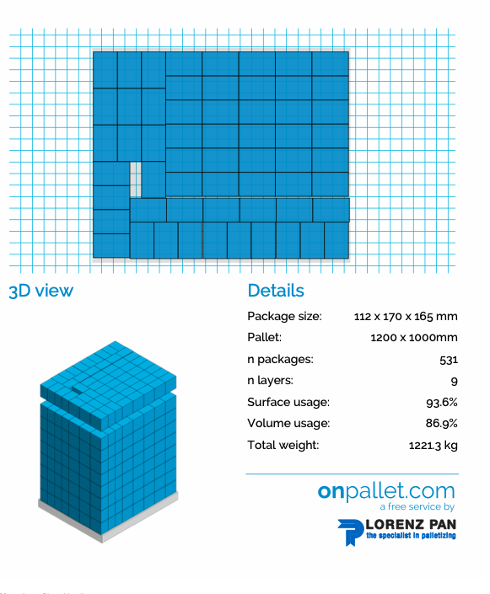
Bars -pallet configuration |  |  |  | Gummies

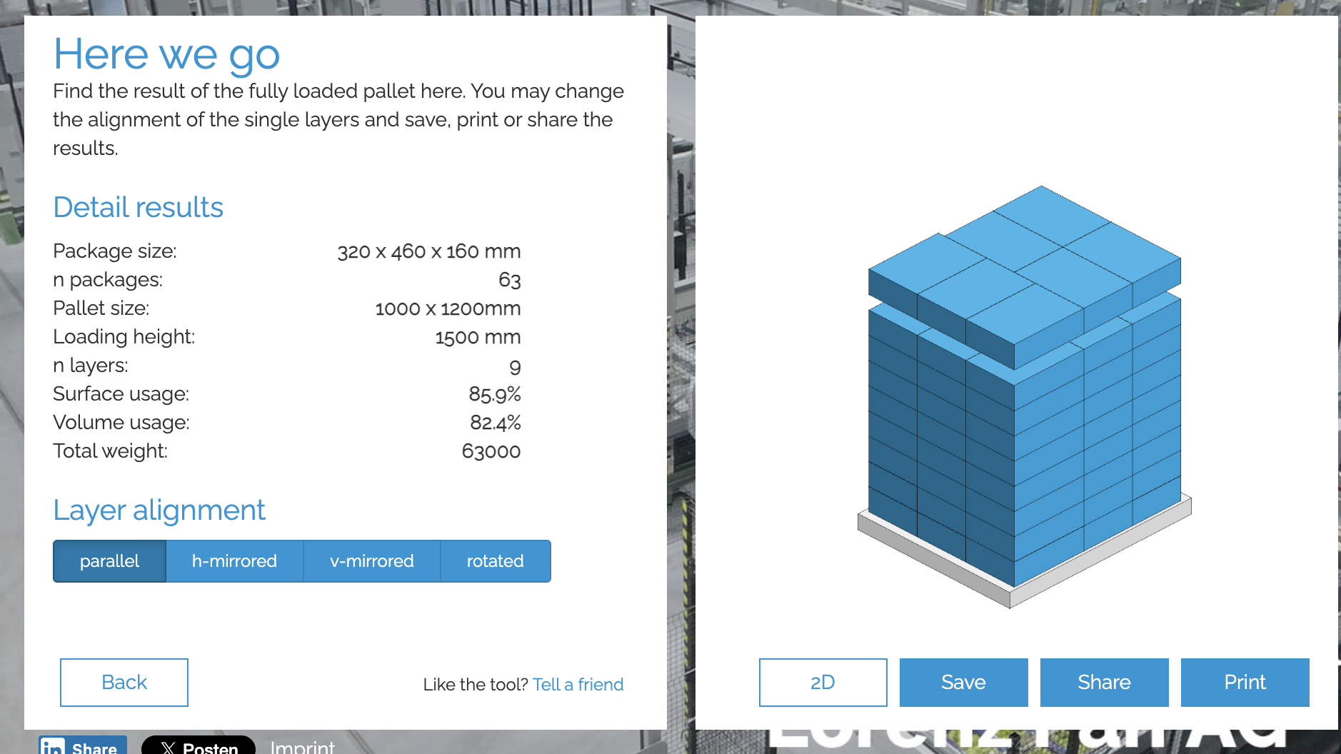
12 boxes per layer
7 layers max

On one pallet, we can fit a total of 1,152 SRPs, which equals 72 shipping boxes, arranged in 6 layers of 12 boxes each.
BARS
72 | Boxes per pallet
6 layers
12 | boxes per layer
1152 Srp | per pallet
 |  | total pallet height
Height | 1.26m | 1.41
Weight | 619.2

Large 510ml |  |  | Shots 125ml
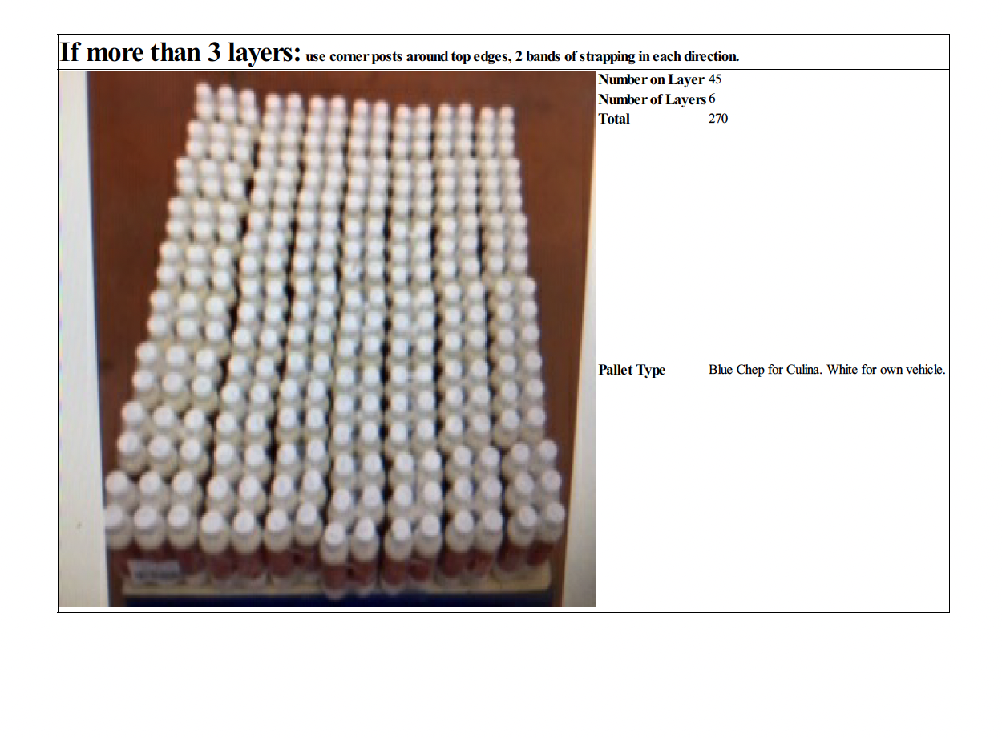
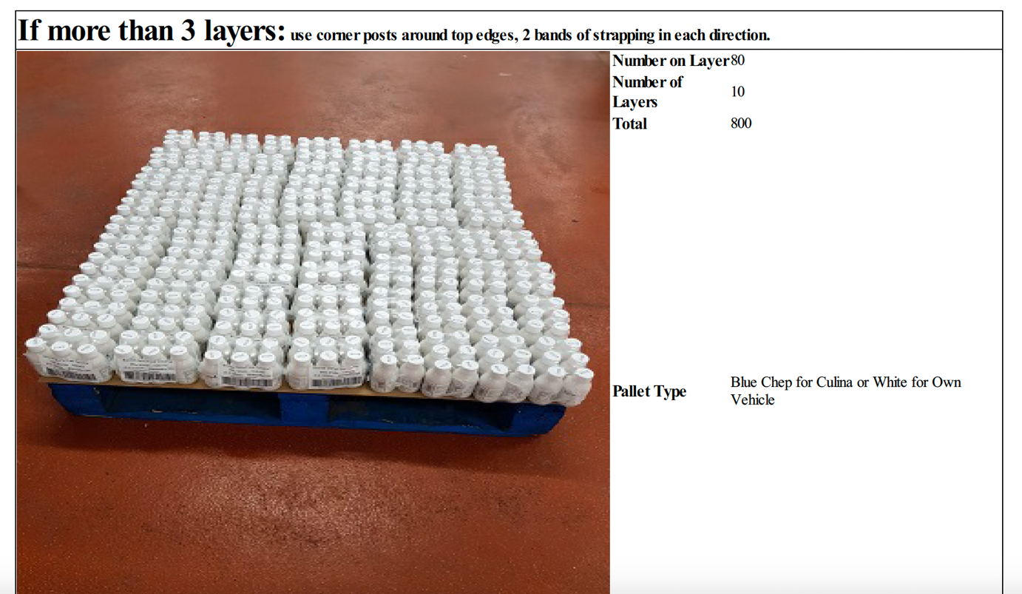

PROTEIN DRINKS

